Wt Bal V Speed
Flight Plan |  |  |  |  |  |  |  |  | Weight and Balance

1. Type |  | 2. Aircraft Identification | 3. Aircraft Type/Equip | 4. True Airspeed | 5. Departure Point | 6. Departure Time |  | 7. Cruising Altitude |  | Weight | Arm | Moment
 | VFR |  |  |  |  | Proposed (z) | Actual (z) |  | Empty Weight | _________ | _________ | _________
 | IFR |  |  |  |  |  |  |  | Fuel (6 lb/gal) ___ gal | _________ | _________ | _________
 | DVFR |  |  |  |  |  |  |  | Oil (if not included) | _________ | _________ | _________
8. Route of Flight |  |  |  |  |  |  |  |  | Front Seats | _________ | _________ | _________
 |  |  |  |  |  |  |  |  | Rear Seat | _________ | _________ | _________
 |  |  |  |  |  |  |  |  | Baggage Area 1 | _________ | _________ | _________
9. Destination (Name of airport and city) |  |  | 10. Est Time Enroute |  | 11. Remarks |  |  |  | Baggage Area 2 | _________ | _________ | _________

 |  |  |  |  |  |  |  |  | Totals | _________ | _________ | _________
12. Fuel on Board |  |  | 13. Alternate Airports |  | 14. Pilots Name, Address, Telephone number & Aircraft Home Base |  |  | 15. Number Aboard
Hours |  | Minutes |  |  |  |  |  |  | Category | Weight and Balance are within limits: |  | Yes / No
 |  |  |  |  |  |  |  |  | Normal / Utility
16. Color of Aircraft |  |  |  |  | 17. Destination Contact / Telephone (optional) |  |  |  | Diversion Checklist

Aircraft Equipment Suffixes |  |  |  |  |  |  |  |  | 1. Choose new destination
/X - No DME, No Transponder |  |  |  | /M - TACON, No Transponder |  |  | /E - RNAV (INS) w/ FMS Capability |  | 2. Turn to heading
/T - No DME, Mode A Transponder |  |  |  | /N - TACAN, Mode A Transponder |  |  | /F RNAV (VOR/DME or GPS) w/ FMS |  | 3. Determine and fly altitude
/U - No DME, Mode C Transponder |  |  |  | /P - TACAN, Mode C Transponder |  |  | /G - Rnav (GPS) |  | 4. Determine Distance
/D - DME, No Transponder |  |  |  | /Y - LORAN, VOR/DME, or INS w/ No Transponder |  |  | /R - RNP |  | 5. Determine ETA
/B - DME, Mode A Transponder |  |  |  | /C - LORAN, VOR/DME, or INS w/ Mode A Transponder |  |  | /W - RVSM |  | 6. Determine fuel burn/remaining
/A - DME, Mode C Transponder |  |  |  | /I - LORAN, VOR/DME, or INS w/ Mode C Transponder |  |  | /Q - RNP and RVSM |  | 7. Amend flight plan with FSS
Weather Briefing |  |  |  |  |  |  |  |  |  | V-Speeds

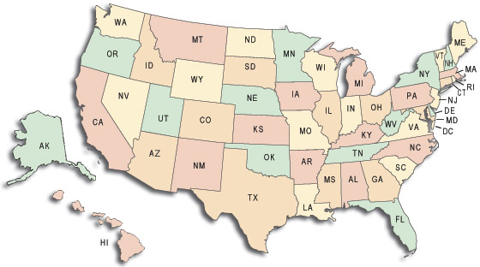
 |  |  |  |  |  |  |  |  |  | Vr: | _________
 |  |  |  |  |  |  |  |  |  | Va: | _________
 |  |  |  |  |  |  |  |  |  | Best Glide: | _________
 |  |  |  |  |  |  |  |  |  | Vno: | _________
 |  |  |  |  |  |  |  |  |  | Vne: | _________
 |  |  |  |  |  |  |  |  |  | Vx: | _________
 |  |  |  |  |  |  |  |  |  | Vy: | _________
 |  |  |  |  |  |  |  |  |  | Vso: | _________
 |  |  |  |  |  |  |  |  |  | Vs: | _________

